Specification
SEASON | ARTICLE | IMAGE 1 | IMAGE 2 | IMAGE 3 | COLOR | COLOR DESCRIPTION | PRODUCT NAME | SUPPL. DESCRIPTION | COMPOSITION 1 | PARENT GROUP | GENDER | BRAND | MADE IN | RRP | QTY | SIZE | UNI | XS | S | M | L | XL | XXL | XXXL | 38 | 40 | 42 | 44 | 46 | 48 | 50 | 52 | 35-37 | 36-37 | 38-39 | 38-40 | 40-41 | 42-43 | 44-45 | I | II | III | IV | V
SS | D9M203040 | 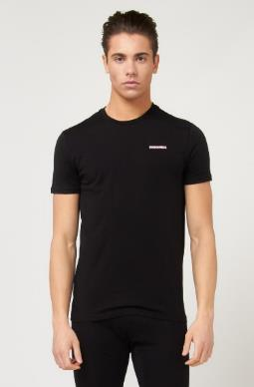 | 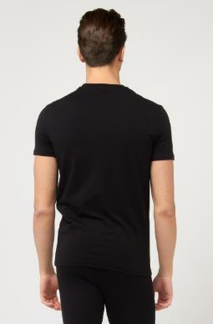 | 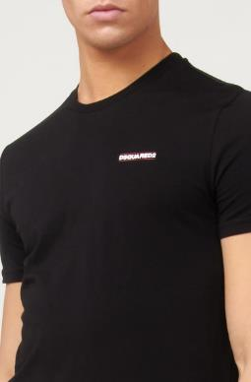 | 001 | BLACK | T-SHIRT | ROUND NECK T-SHIRT WITH LOGO | 95% COTTON 5% ELASTAN | ADULT | MALE | DSQUARED2 | CHINA | 90.00 € | 246 | 5 |  | 91 | 81 | 21 |  | 19 | 34
SS | D9M203040 | 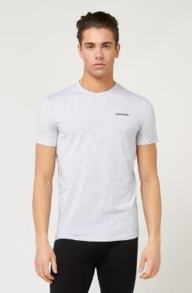 | 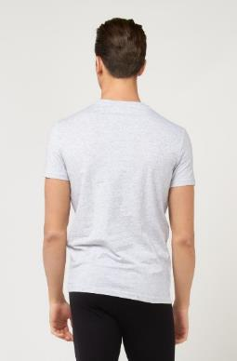 | 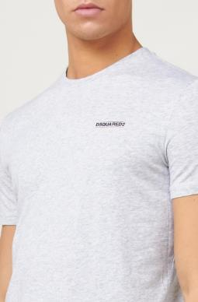 | 030 | GRAY MELANGE | T-SHIRT | ROUND NECK T-SHIRT WITH LOGO | 95% COTTON 5% ELASTAN | ADULT | MALE | DSQUARED2 | CHINA | 90.00 € | 175 | 4 |  | 32 | 90 | 6 |  | 47
SS | D9M203040 | 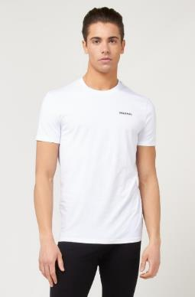 | 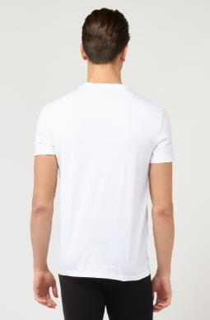 | 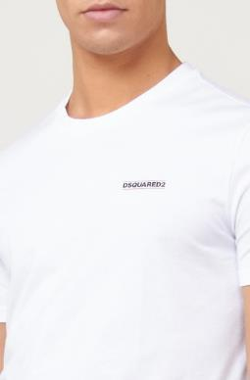 | 100 | WHITE | T-SHIRT | ROUND NECK T-SHIRT WITH LOGO | 95% COTTON 5% ELASTAN | ADULT | MALE | DSQUARED2 | CHINA | 90.00 € | 209 | 5 |  | 91 | 51 |  | 10 | 16 | 41
FW | DCXC60040 | 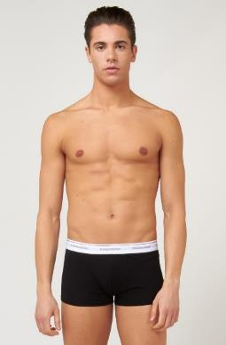 | 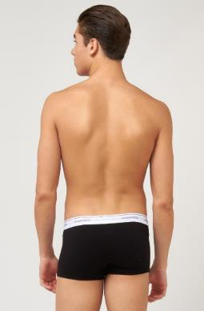 | 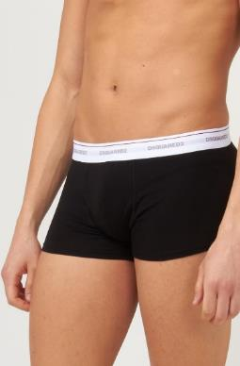 | 001 | BLACK | BOXERS 3 PACK | TRUNK TRI-PACK | 95% COTTON 5% ELASTAN | ADULT | MALE | DSQUARED2 | CHINA | 55.00 € | 953 | 7 |  | 15 | 196 | 272 | 256 | 164 | 38 | 12
FW | DCXC60040 | 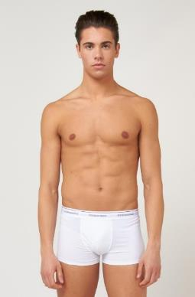 | 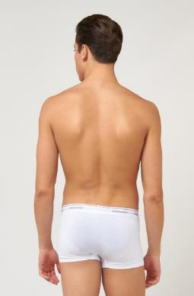 | 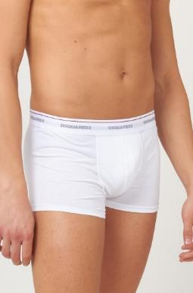 | 100 | WHITE | BOXERS 3 PACK | TRUNK TRI-PACK | 95% COTTON 5% ELASTAN | ADULT | MALE | DSQUARED2 | CHINA | 55.00 € | 400 | 7 |  | 15 | 71 | 99 | 86 | 80 | 38 | 11

 |  |  |  |  |  |  |  |  |  |  |  |  |  |  | 1983

